notes
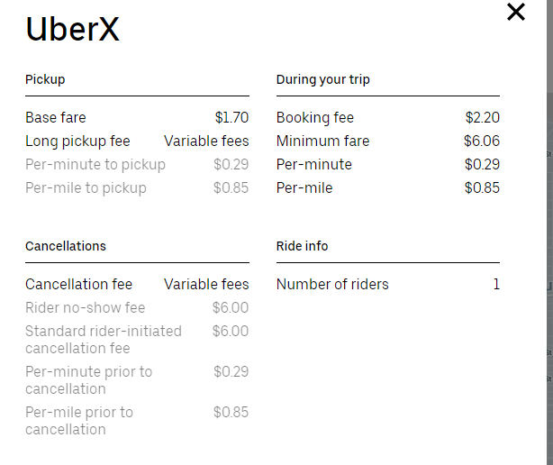

 | need to include:
x | accounting fees | 100/month
 | marketing
 | daytime drivers
 | org structure
 | staffing positions - paid positions?
 | card processing
x | signage
 | driver contracts
 | implied warranty - DL pic, signature
 | venmo pay to drivers
 | banking fees/dropbox?
 | bring in PBL?
 | driver accountability
x | video monitoring
x | legal fees

